SDG10
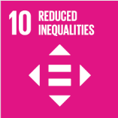
No. | Sustainable Development Goal
10 | Reduced Inequalities

Code | Sub-Goal | 2022
 |  | Achieved | Target | A/T%
A | University scientific research on reduced inequalities | 2.00 | 5.00 | 40.00
B | University support for underrepresented groups | 655.00 | 1000.00 | 65.50
C | Achieve university enviroment free of discrimination at all levels | 86.00 | 90.00 | 95.56

Reduced Inequalities

