SDG11
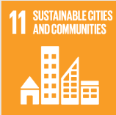
No. | Sustainable Development Goal
11 | Sustainable Cities and Communities

Code | Sub-Goal | 2022
 |  | Achieved | Target | A/T%
A | University Scientific research on sustainable cities and communities | 11.00 | 15.00 | 73.33
B | Sustainable practices (Affrodable housing) | 2.00 | 13.00 | 15.38
C | Collaboration wih local authority in planning and development issues | 14.00 | 20.00 | 70.00

Sustainable Cities and Communities

