SDG12
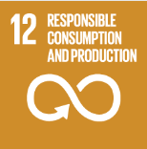
No. | Sustainable Development Goal
12 | Responsible Consumption and Production

Code | Sub-Goal | 2022
 |  | Achieved | Target | A/T%
A | University scientific research on Responsible consumption and production | 3.00 | 5.00 | 60.00
B | Developed operations for waste mangenet | 2.00 | 5.00 | 40.00
C | Redude use of plastic and papre in campus | 3.00 | 7.00 | 42.86

Responsible Consumption and Production

