SDG13 (2)
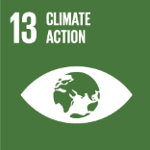
No. | Sustainable Development Goal
13 | Climate Action

Code | Sub-Goal | 2022
 |  | Achieved | Target | A/T%
A | University scientific research on climate action | 3.00 | 5.00 | 60.00
B | Incease the dependence on low carbon energy | 1276.00 | 19351.00 | 6.59
C | Increase environmental collaboration with NGOs | 14.00 | 20.00 | 70.00

Climate Action

