SDG14
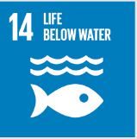
No. | Sustainable Development Goal
14 | Life Below Water

Code | Sub-Goal | 2022
 |  | Achieved | Target | A/T%
A | University reaserch on life below water | 2.00 | 5.00 | 40.00
B | Supporting aquatic ecosystems through education | 1.00 | 5.00 | 20.00
C | Supporting aquatic ecosystems through reducing water pollution preventing | 5.00 | 13.00 | 38.46

Life Below Water

