SDG15
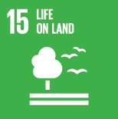
No. | Sustainable Development Goal
15 | Life On Land

Code | Sub-Goal | 2022
 |  | Achieved | Target | A/T%
A | University scientific research for life on land | 1.00 | 5.00 | 20.00
B | Supporting land ecosystems through education | 6.00 | 10.00 | 60.00
C | Maintain and extend current ecosyststems biodiversity | 30.00 | 50.00 | 60.00
D | local community collaboration | 86.00 | 95.00 | 90.53

Life On Land

