SDG16 (2)
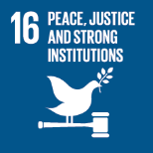
No. | Sustainable Development Goal
16 | Peace, Justice and Strong institutions

Code | Sub-Goal | 2022
 |  | Achieved | Target | A/T%
A | University scientific research on peace, justice and strong institutions | 2.00 | 5.00 | 40.00
B | supporting freedom for university community | 27.00 | 30.00 | 90.00
C | Working with government | 8.00 | 10.00 | 80.00

Peace, Justice and Strong institutions

