SDG17
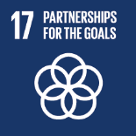
No. | Sustainable Development Goal
17 | Partnership for the Goals

Code | Sub-Goal | 2022
 |  | Achieved | Target | A/T%
A | National and international Partnerships for Supporing SDGs | 97 | 100 | 97.00
B | Publication of SDG reports | 86 | 92 | 93.48
C | Education for the SDGs | 83 | 90 | 92.22

Partnership for the Goals

