SDG1 (2)
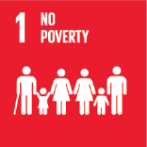
No. | Sustainable Development Goal
1 | No poverty

Code | KPI's | 2022
 |  | Achieved | Target | A/T%
A | University Scientific research poverty | 0.0 | 5.0 | 0.0
B | Supporting Poor Students | 21000.0 | 31879.0 | 65.9
C | Community anti-poverty programmes | 135.0 | 150.0 | 90.0

No poverty

