SDG2
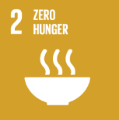
No. | Sustainable Development Goal
2 | Zero Hunger

Code | Sub-Goal | 2022
 |  | Achieved | Target | A/T%
A | University Scientific research for fighting hunger | 3.00 | 5.00 | 60.00
B | University Programs for fighting sutdents food insequrity | 3.00 | 4.00 | 75.00
C | Proportion of graduates in agriculture and aquaculture including sustainability aspects | 225.00 | 250.00 | 90.00
D | National hunger | 6.00 | 8.00 | 75.00

Zero Hunger

