SDG3 (2)
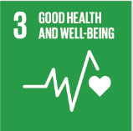
No. | Sustainable Development Goal
3 | Good Health and Well Being

Code | Sub-Goal | 2022
 |  | Achieved | Target | A/T%
A | University Scientific research for good health and well being | 46.00 | 55.00 | 83.64
B | Proportion of graduatesof students graduating in health professions | 640.00 | 700.00 | 91.43
C | health edaucation and awarness | 43.00 | 50.00 | 86.00
D | local community services | 4.00 | 5.00 | 80.00
E | Collaborations and health services | 12.00 | 15.00 | 80.00

Good Health and Well Being

