SDG4
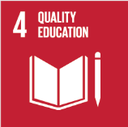
No. | Sustainable Development Goal
4 | Quality Education

Code | Sub-Goal | 2022
 |  | Achieved | Target | A/T%
A | University scientific reaserch on Quality education | 3.00 | 5.00 | 60.00
B | Provide access to educational resources for those not studying at the university | 66.00 | 75.00 | 88.00
C | Proportion of graduates with teaching qualification | 96.00 | 98.00 | 97.96
D | Vocational training and outreach education events | 64.00 | 70.00 | 91.43

Quality Education

