SDG5 (2)
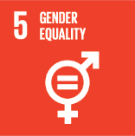
No. | Sustainable Development Goal
5 | Gender Equality

Code | Sub-Goal | 2022
 |  | Achieved | Target | A/T%
A | University Scientific Research on Gender Equality | 1.00 | 5.00 | 20.00
B | Proportion of senior female | 40.00 | 50.00 | 80.00
C | Women’s progress measures | 3.00 | 5.00 | 60.00
D | Collaboration with other universities, community groups, government or NGOs in regional or national | 14.00 | 17.00 | 82.35

Gender Equality

