SDG6 (2)
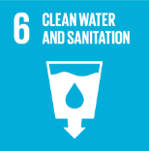
No. | Sustainable Development Goal
6 | Clean Water and Sanitation

Code | Sub-Goal | 2022
 |  | Achieved | Target | A/T%
A | Scientific research on clean water and sanitation | 3.00 | 5.00 | 60.00
B | Increasing dependence on treated water | 40.00 | 60.00 | 66.67
C | Conservation of quality and quantity of water | 2.00 | 3.00 | 66.67
D | Water education programmes | 5.00 | 6.00 | 83.33
E | Community water programmes | 5.00 | 6.00 | 83.33

Clean Water and Sanitation

