SDG7 (2)
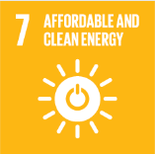
No. | Sustainable Development Goal
7 | Affordable and Clean Energy

Code | Sub-Goal | 2022
 |  | Achieved | Target | A/T%
A | Scientific research for affordable and clean energy | 10.00 | 12.00 | 83.33
B | Increasing dependence on clean energy | 1276.00 | 19351.00 | 6.59
C | Green energy education programmes | 3.00 | 5.00 | 60.00
D | Reduction of carbon emission | 5366.00 | 4261.00 | 125.93

Affordable and Clean Energy

