SDG8 (2)
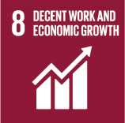
No. | Sustainable Development Goal
8 | Decent work and Economic Growth

Code | Sub-Goal | 2022
 |  | Achieved | Target | A/T%
A | Scientific research for decent work and economic growth | 3.00 | 5.00 | 60.00
B | Good employment practices | 82.00 | 85.00 | 96.47
C | Commitment against forced labour, modern slavery, human trafficking and child labour | 4.00 | 5.00 | 80.00
D | secure and innovative work place | 86.00 | 90.00 | 95.56

Decent work and Economic Growth

