SDG9
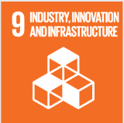
No. | Sustainable Development Goal
9 | Industry, Innovation and Infrastructure

Code | Sub-Goal | 2021
 |  | Achieved | Target | A/T%
A | Scientific research on Industry, Innovation and Infrastructure | 1.00 | 5.00 | 20.00
B | Increase university research income | 53.00 | 60.00 | 88.33
C | Nn of Startups | 3.00 | 5.00 | 60.00
D | Innovative eduacion Environment | 4.00 | 5.00 | 80.00

Industry, Innovation and Infrastructure

