SDG12
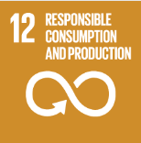
No. | Sustainable Development Goal
12 | Responsible Consumption and Production

Code | Sub-Goal | 2023
 |  | Achieved | Target | A/T%
A | University scientific research on Responsible consumption and production | 17.00 | 5.00 | 340.00
B | Developed operations for waste mangenet | 4.00 | 5.00 | 80.00
C | Redude use of plastic and papre in campus | 54.60 | 65.00 | 84.00

Responsible Consumption and Production

