SDG13
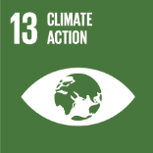
No. | Sustainable Development Goal
13 | Climate Action

Code | Sub-Goal | 2023
 |  | Achieved | Target | A/T%
A | University scientific research on climate action | 9.00 | 15.00 | 60.00
B | Incease the dependence on low carbon energy | 2130.00 | 2460.00 | 86.59
C | Increase environmental collaboration with NGOs | 13.00 | 15.00 | 86.67

Climate Action

