SDG15
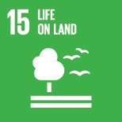
No. | Sustainable Development Goal
15 | Life On Land

Code | Sub-Goal | 2023
 |  | Achieved | Target | A/T%
A | University scientific research for life on land | 6.00 | 10.00 | 60.00
B | Supporting land ecosystems through education | 8.00 | 10.00 | 80.00
C | Maintain and extend current ecosyststems biodiversity | 45.00 | 60.00 | 75.00
D | local community collaboration | 98.00 | 110.00 | 89.09

Life On Land

