SDG16
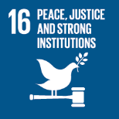
No. | Sustainable Development Goal
16 | Peace, Justice and Strong institutions

Code | Sub-Goal | 2023
 |  | Achieved | Target | A/T%
A | University scientific research on peace, justice and strong institutions | 16.00 | 20.00 | 80.00
B | supporting freedom for university community | 28.00 | 30.00 | 93.33
C | Working with government | 3.00 | 4.00 | 75.00

Peace, Justice and Strong institutions

