SDG1
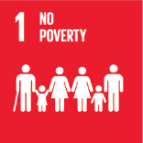
No. | Sustainable Development Goal
1 | No poverty

Code | KPI's | 2023
 |  | Achieved | Target | A/T%
A | University Scientific research poverty | 9.0 | 10.0 | 90.0
B | Supporting Poor Students | 29938.0 | 38006.0 | 78.8
C | Community anti-poverty programmes | 136.0 | 145.0 | 93.8

No poverty

SDG2
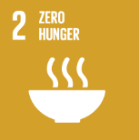
No. | Sustainable Development Goal
2 | Zero Hunger

Code | Sub-Goal | 2023
 |  | Achieved | Target | A/T%
A | University Scientific research for fighting hunger | 4.00 | 10.00 | 40.00
B | University Programs for fighting sutdents food insequrity | 6.00 | 7.00 | 85.71
C | Proportion of graduates in agriculture and aquaculture including sustainability aspects | 420.00 | 500.00 | 84.00
D | National hunger | 7.00 | 8.00 | 87.50

Zero Hunger

SDG3
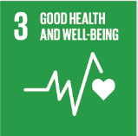
No. | Sustainable Development Goal
3 | Good Health and Well Being

Code | Sub-Goal | 2023
 |  | Achieved | Target | A/T%
A | University Scientific research for good health and well being | 103.00 | 120.00 | 85.83
B | Proportion of graduatesof students graduating in health professions | 337.00 | 500.00 | 67.40
C | health edaucation and awarness | 52.00 | 60.00 | 86.67
D | local community services | 18.00 | 20.00 | 90.00
E | Collaborations and health services | 14.00 | 16.00 | 87.50

Good Health and Well Being

SDG4
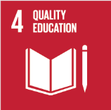
No. | Sustainable Development Goal
4 | Quality Education

Code | Sub-Goal | 2023
 |  | Achieved | Target | A/T%
A | University scientific reaserch on Quality education | 23.00 | 40.00 | 57.50
B | Provide access to educational resources for those not studying at the university | 70.00 | 80.00 | 87.50
C | Proportion of graduates with teaching qualification | 99.00 | 101.00 | 98.02
D | Vocational training and outreach education events | 73.00 | 80.00 | 91.25

Quality Education

SDG5
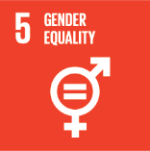
No. | Sustainable Development Goal
5 | Gender Equality

Code | Sub-Goal | 2023
 |  | Achieved | Target | A/T%
A | University Scientific Research on Gender Equality | 9.00 | 10.00 | 90.00
B | Proportion of senior female | 41.00 | 50.00 | 82.00
C | Women’s progress measures | 11.00 | 15.00 | 73.33
D | Collaboration with other universities, community groups, government or NGOs in regional or national | 18.00 | 22.00 | 81.82

Gender Equality

SDG6
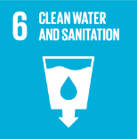
No. | Sustainable Development Goal
6 | Clean Water and Sanitation

Code | Sub-Goal | 2023
 |  | Achieved | Target | A/T%
A | Scientific research on clean water and sanitation | 21.00 | 30.00 | 70.00
B | Increasing dependence on treated water | 45.00 | 60.00 | 75.00
C | Conservation of quality and quantity of water | 2.00 | 3.00 | 66.67
D | Water education programmes | 7.00 | 8.00 | 87.50
E | Community water programmes | 8.00 | 10.00 | 80.00

Clean Water and Sanitation

SDG7
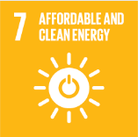
No. | Sustainable Development Goal
7 | Affordable and Clean Energy

Code | Sub-Goal | 2023
 |  | Achieved | Target | A/T%
A | Scientific research for affordable and clean energy | 34.00 | 40.00 | 85.00
B | Increasing dependence on clean energy kilowatt hour | 5024511.00 | 6909628.00 | 72.72
C | Green energy education programmes | 3.00 | 5.00 | 60.00
D | Reduction of carbon emission | 4611.00 | 4700.00 | 98.11

Affordable and Clean Energy

SDG8
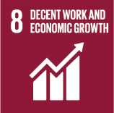
No. | Sustainable Development Goal
8 | Decent work and Economic Growth

Code | Sub-Goal | 2023
 |  | Achieved | Target | A/T%
A | Scientific research for decent work and economic growth | 23.00 | 30.00 | 76.67
B | Good employment practices | 71.00 | 80.00 | 88.75
C | Commitment against forced labour, modern slavery, human trafficking and child labour | 4.00 | 6.00 | 66.67
D | secure and innovative work place | 90.00 | 95.00 | 94.74

Decent work and Economic Growth

SDG9
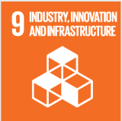
No. | Sustainable Development Goal
9 | Industry, Innovation and Infrastructure

Code | Sub-Goal | 2021
 |  | Achieved | Target | A/T%
A | Scientific research on Industry, Innovation and Infrastructure | 27.00 | 30.00 | 90.00
B | Increase university research income | 28807820.00 | 31700000.00 | 90.88
C | Nn of Startups | 5.00 | 10.00 | 50.00
D | Innovative eduacion Environment | 5.00 | 6.00 | 83.33

Industry, Innovation and Infrastructure

SDG10
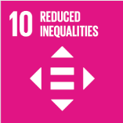
No. | Sustainable Development Goal
10 | Reduced Inequalities

Code | Sub-Goal | 2023
 |  | Achieved | Target | A/T%
A | University scientific research on reduced inequalities | 8.00 | 15.00 | 53.33
B | University support for underrepresented groups | 986.00 | 1150.00 | 85.74
C | Achieve university enviroment free of discrimination at all levels | 90.00 | 95.00 | 94.74

Reduced Inequalities

SDG11
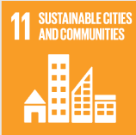
No. | Sustainable Development Goal
11 | Sustainable Cities and Communities

Code | Sub-Goal | 2023
 |  | Achieved | Target | A/T%
A | University Scientific research on sustainable cities and communities | 19.00 | 25.00 | 76.00
B | Sustainable practices (Affrodable housing) | 8.00 | 10.00 | 80.00
C | Collaboration wih local authority in planning and development issues | 23.00 | 25.00 | 92.00

Sustainable Cities and Communities

SDG12
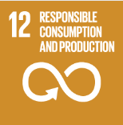
No. | Sustainable Development Goal
12 | Responsible Consumption and Production

Code | Sub-Goal | 2023
 |  | Achieved | Target | A/T%
A | University scientific research on Responsible consumption and production | 17.00 | 5.00 | 340.00
B | Developed operations for waste mangenet | 4.00 | 5.00 | 80.00
C | Redude use of plastic and papre in campus | 54.60 | 65.00 | 84.00

Responsible Consumption and Production

SDG13
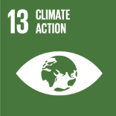
No. | Sustainable Development Goal
13 | Climate Action

Code | Sub-Goal | 2023
 |  | Achieved | Target | A/T%
A | University scientific research on climate action | 9.00 | 15.00 | 60.00
B | Incease the dependence on low carbon energy | 2130.00 | 2460.00 | 86.59
C | Increase environmental collaboration with NGOs | 13.00 | 15.00 | 86.67

Climate Action

SDG14
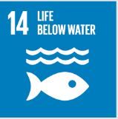
No. | Sustainable Development Goal
14 | Life Below Water

Code | Sub-Goal | 2023
 |  | Achieved | Target | A/T%
A | University reaserch on life below water | 7.00 | 10.00 | 70.00
B | Supporting aquatic ecosystems through education | 5.00 | 7.00 | 71.43
C | Supporting aquatic ecosystems through reducing water pollution preventing | 13.00 | 14.00 | 92.86

Life Below Water

SDG15
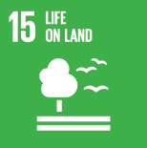
No. | Sustainable Development Goal
15 | Life On Land

Code | Sub-Goal | 2023
 |  | Achieved | Target | A/T%
A | University scientific research for life on land | 6.00 | 10.00 | 60.00
B | Supporting land ecosystems through education | 8.00 | 10.00 | 80.00
C | Maintain and extend current ecosyststems biodiversity | 45.00 | 60.00 | 75.00
D | local community collaboration | 98.00 | 110.00 | 89.09

Life On Land

SDG16
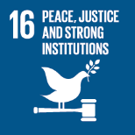
No. | Sustainable Development Goal
16 | Peace, Justice and Strong institutions

Code | Sub-Goal | 2023
 |  | Achieved | Target | A/T%
A | University scientific research on peace, justice and strong institutions | 16.00 | 20.00 | 80.00
B | supporting freedom for university community | 28.00 | 30.00 | 93.33
C | Working with government | 3.00 | 4.00 | 75.00

Peace, Justice and Strong institutions

SDG17
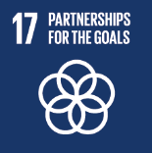
No. | Sustainable Development Goal
17 | Partnership for the Goals

Code | Sub-Goal | 2023
 |  | Achieved | Target | A/T%
A | National and international Partnerships for Supporing SDGs | 90 | 100 | 90.00
B | Publication of SDG reports | 4 | 5 | 80.00
C | Education for the SDGs | 87 | 90 | 96.67

Partnership for the Goals

