SDG1
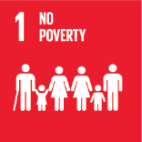
No. | Sustainable Development Goal
1 | No poverty

Code | KPI's | 2023
 |  | Achieved | Target | A/T%
A | University Scientific research poverty | 9.0 | 10.0 | 90.0
B | Supporting Poor Students | 29938.0 | 38006.0 | 78.8
C | Community anti-poverty programmes | 136.0 | 145.0 | 93.8

No poverty

