SDG2
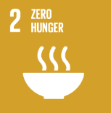
No. | Sustainable Development Goal
2 | Zero Hunger

Code | Sub-Goal | 2023
 |  | Achieved | Target | A/T%
A | University Scientific research for fighting hunger | 4.00 | 10.00 | 40.00
B | University Programs for fighting sutdents food insequrity | 6.00 | 7.00 | 85.71
C | Proportion of graduates in agriculture and aquaculture including sustainability aspects | 420.00 | 500.00 | 84.00
D | National hunger | 7.00 | 8.00 | 87.50

Zero Hunger

