SDG3
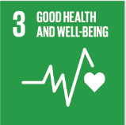
No. | Sustainable Development Goal
3 | Good Health and Well Being

Code | Sub-Goal | 2023
 |  | Achieved | Target | A/T%
A | University Scientific research for good health and well being | 103.00 | 120.00 | 85.83
B | Proportion of graduatesof students graduating in health professions | 337.00 | 500.00 | 67.40
C | health edaucation and awarness | 52.00 | 60.00 | 86.67
D | local community services | 18.00 | 20.00 | 90.00
E | Collaborations and health services | 14.00 | 16.00 | 87.50

Good Health and Well Being

