SDG5
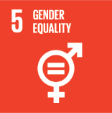
No. | Sustainable Development Goal
5 | Gender Equality

Code | Sub-Goal | 2023
 |  | Achieved | Target | A/T%
A | University Scientific Research on Gender Equality | 9.00 | 10.00 | 90.00
B | Proportion of senior female | 41.00 | 50.00 | 82.00
C | Women’s progress measures | 11.00 | 15.00 | 73.33
D | Collaboration with other universities, community groups, government or NGOs in regional or national | 18.00 | 22.00 | 81.82

Gender Equality

