SDG6
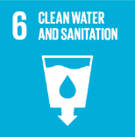
No. | Sustainable Development Goal
6 | Clean Water and Sanitation

Code | Sub-Goal | 2023
 |  | Achieved | Target | A/T%
A | Scientific research on clean water and sanitation | 21.00 | 30.00 | 70.00
B | Increasing dependence on treated water | 45.00 | 60.00 | 75.00
C | Conservation of quality and quantity of water | 2.00 | 3.00 | 66.67
D | Water education programmes | 7.00 | 8.00 | 87.50
E | Community water programmes | 8.00 | 10.00 | 80.00

Clean Water and Sanitation

