SDG7
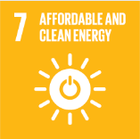
No. | Sustainable Development Goal
7 | Affordable and Clean Energy

Code | Sub-Goal | 2023
 |  | Achieved | Target | A/T%
A | Scientific research for affordable and clean energy | 34.00 | 40.00 | 85.00
B | Increasing dependence on clean energy kilowatt hour | 5024511.00 | 6909628.00 | 72.72
C | Green energy education programmes | 3.00 | 5.00 | 60.00
D | Reduction of carbon emission | 4611.00 | 4700.00 | 98.11

Affordable and Clean Energy

