SDG10
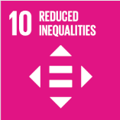
No. | Sustainable Development Goal
10 | Reduced Inequalities |  |  | 89.0

Code | Sub-Goal | 2023
 |  | Achieved | Target | A/T%
A | University scientific research on reduced inequalities | 65.00 | 75.00 | 86.67
B | University support for underrepresented groups | 986.00 | 1150.00 | 85.74
C | Achieve university enviroment free of discrimination at all levels | 90.00 | 95.00 | 94.74

Reduced Inequalities

