SDG11
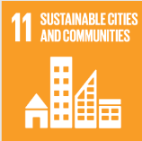
No. | Sustainable Development Goal
11 | Sustainable Cities and Communities |  |  | 87.1

Code | Sub-Goal | 2023
 |  | Achieved | Target | A/T%
A | University Scientific research on sustainable cities and communities | 161.00 | 180.00 | 89.44
B | Sustainable practices (Affrodable housing) | 8.00 | 10.00 | 80.00
C | Collaboration wih local authority in planning and development issues | 23.00 | 25.00 | 92.00

Sustainable Cities and Communities

