SDG14
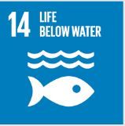
No. | Sustainable Development Goal
14 | Life Below Water |  |  | 82.8

Code | Sub-Goal | 2023
 |  | Achieved | Target | A/T%
A | University reaserch on life below water | 21.00 | 25.00 | 84.00
B | Supporting aquatic ecosystems through education | 5.00 | 7.00 | 71.43
C | Supporting aquatic ecosystems through reducing water pollution preventing | 13.00 | 14.00 | 92.86

Life Below Water

