SDG16
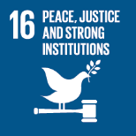
No. | Sustainable Development Goal
16 | Peace, Justice and Strong institutions |  |  | 84.7

Code | Sub-Goal | 2023
 |  | Achieved | Target | A/T%
A | University scientific research on peace, justice and strong institutions | 103.00 | 120.00 | 85.83
B | supporting freedom for university community | 28.00 | 30.00 | 93.33
C | Working with government | 3.00 | 4.00 | 75.00

Peace, Justice and Strong institutions

