SDG17
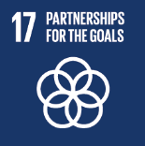
No. | Sustainable Development Goal
17 | Partnership for the Goals |  |  | 88.9

Code | Sub-Goal | 2023
 |  | Achieved | Target | A/T%
A | National and international Partnerships for Supporing SDGs | 90 | 100 | 90.00
B | Publication of SDG reports | 4 | 5 | 80.00
C | Education for the SDGs | 87 | 90 | 96.67

Partnership for the Goals

