SDG4
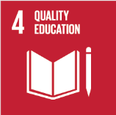
No. | Sustainable Development Goal
4 | Quality Education |  |  | 89.9

Code | Sub-Goal | 2023
 |  | Achieved | Target | A/T%
A | University scientific reaserch on Quality education | 227.00 | 250.00 | 90.80
B | Provide access to educational resources for those not studying at the university | 70.00 | 80.00 | 87.50
C | Proportion of graduates with teaching qualification | 99.00 | 110.00 | 90.00
D | Vocational training and outreach education events | 73.00 | 80.00 | 91.25

Quality Education

