SDG7
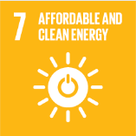
No. | Sustainable Development Goal
7 | Affordable and Clean Energy |  |  | 77.9

Code | Sub-Goal | 2023
 |  | Achieved | Target | A/T%
A | Scientific research for affordable and clean energy | 260.00 | 300.00 | 86.67
B | Increasing dependence on clean energy kilowatt hour | 5024511.00 | 6909628.00 | 72.72
C | Green energy education programmes | 3.00 | 5.00 | 60.00
D | Reduction of carbon emission | 4611.00 | 5000.00 | 92.22

Affordable and Clean Energy

