SDG8
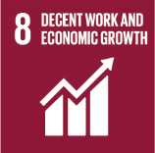
No. | Sustainable Development Goal
8 | Decent work and Economic Growth |  |  | 81.7

Code | Sub-Goal | 2023
 |  | Achieved | Target | A/T%
A | Scientific research for decent work and economic growth | 115.00 | 150.00 | 76.67
B | Good employment practices | 71.00 | 80.00 | 88.75
C | Commitment against forced labour, modern slavery, human trafficking and child labour | 4.00 | 6.00 | 66.67
D | secure and innovative work place | 90.00 | 95.00 | 94.74

Decent work and Economic Growth

