SDG9
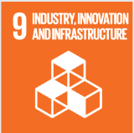
No. | Sustainable Development Goal
9 | Industry, Innovation and Infrastructure |  |  | 77.2

Code | Sub-Goal | 2021
 |  | Achieved | Target | A/T%
A | Scientific research on Industry, Innovation and Infrastructure | 211.00 | 250.00 | 84.40
B | Increase university research income | 28807820.00 | 31700000.00 | 90.88
C | Nn of Startups | 5.00 | 10.00 | 50.00
D | Innovative eduacion Environment | 5.00 | 6.00 | 83.33

Industry, Innovation and Infrastructure

